Sheet1
 | 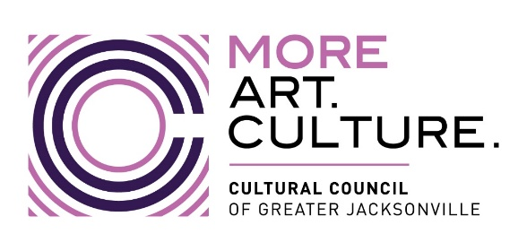 | 2023-2024 CSGP Letter of Intent
 | Grant Request & Match Worksheet
Organization Name:

· | Request for CSGP funds cannot exceed 24% of average of 3 years of actual operating revenues.
· | An organization’s budget must be sufficient to provide a 76% match for request amount. In-kind is not allowed.
· | Use IRS Form 990 to respond to lines 1-3. (Use lines 2-4 ONLY if 2021-2022 documented revenue is not available.)
 |  | Please round Revenue amounts to the nearest dollar.
1 | Actual 2021-2022 operating revenue | $-
2 | Actual 2020-2021 operating revenue | $-
3 | Actual 2019-2020 operating revenue | $-
4 | Actual 2018-2019 operating revenue (use only if 21-22 documented revenue not available) | $-
Total | Add lines 1, 2, and 3 from above; or 2, 3, and 4--as applicable | $-
 | Average revenue (divide total by 3) | $-
 | Maximum request (multiply average by .24) | $-
 | Maximum request amount due to exception* | $-

*EXCEPTION: Applicants not currently funded through CSGP are limited to requests of $5,000 (for organizations with a 3-year average operating budget of less than $250,000), or $10,000 (for organizations with a 3-year average operating budget of $250,000 or more.)

